Input data
 | Input data for foundation Noise Barrier |  |  |  |  |  | 000-25 |  |  | 2025- |  | page 1

Project Number (TerraWing) | 000-25 |  |  |  |  | Wind reference speed: |  |  |  |  | Friction material
Object Name: |  |  |  |  |  | Terrain type (0, I, II, III, IV):
Customer/Company: |  |  |  |  |  | Safety class gd = |  |  |  |  | Ultimate | Serviceability
Contact person: |  |  |  |  |  | Reliability method gMf = |  |  |  | η | 1.0 | 1.0
Contact phone number: |  |  |  |  |  | Train speed: |  |  |  | γf | 1.3 | 1.0
Location for noise barrier: |  |  |  |  |  | Train type factor k1:
 |  |  |  |  |  | GEO class: |  |  |  |  | Cohesive material
 | 1 | 2 | 3 | 4 | 5 | Execution class:
Barrier height (A) |  |  |  |  |  | Design life for foundation: |  |  |  | η | 1.0 | 1.0
c/c between posts (B) |  |  |  |  |  | Correction class: |  |  |  | γc | 1.5 | 1.0
Track center (TC) c/c (C) |  |  |  |  |  | PG wind load from trains: |  |  |  |  | Partial factor | Bulk density
Post type (e.g HEA, IPE, IGR etc) |  |  |  |  |  |  |  |  |  |  | 1.0 | 1.0
Flat / Embankment / Slope |  |  |  |  |  | Groundwater depth:
Slope gradient (E)
Distance to crest (F. + / -) |  |  |  |  |  | Geotechnical data |  |  |  | Friction angle
Width of embankment top (G) |  |  |  |  |  |  |  | Level | Bulk density |  | cuk / tau
Slope/Embankment height (D) |  |  |  |  |  | Material |  | [m] | [kNm³] | [°] | [kPa]

When close to road with snow plough load (H) see page 2
(H. A) ↨ distance between post base and pavement edge
(H. B) ↔ distance between barrier and pavement edge
Snow plough vehicle speed: |  |  |  |  |  | Other information

VINGFUNDAMENT TERRAWING AB |  |  | Office address |  |  |  | Billing address |  |  | 0155-21 77 70
ORG: 556623-1394 |  |  | Gasverksvägen 15 |  |  |  | Tunaholm |  |  | info@terrawing.se
 |  |  | 611 35 Nyköping |  |  |  | 611 35 Nyköping |  |  | www.terrawing.se

 | Input data for foundation Noise Barrier |  |  |  |  |  | 000-25 |  |  | 2025- |  | page 2

PLACEMENT OF SCREEN ON EMBANKMENT (G) (D) (E)
PLACEMENT OF SCREEN ON FLAT GROUND (A) (B)
PLACEMENT OF SCREEN ADJACENT TO / IN SLOPE (D) (E) (F. + / -)

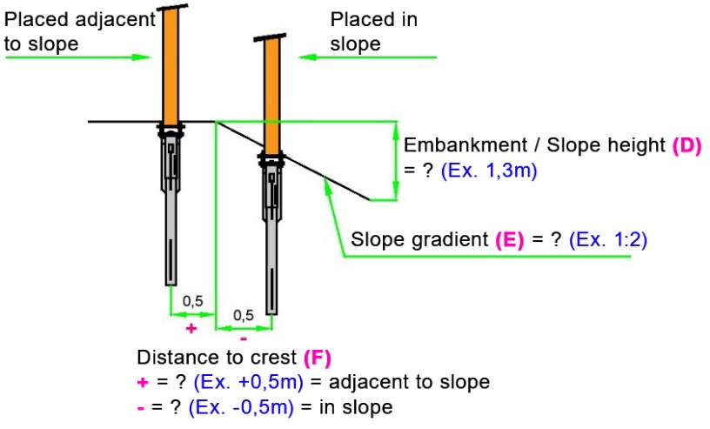
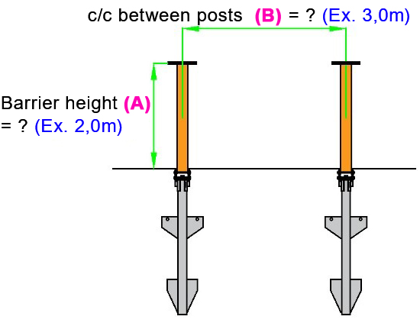
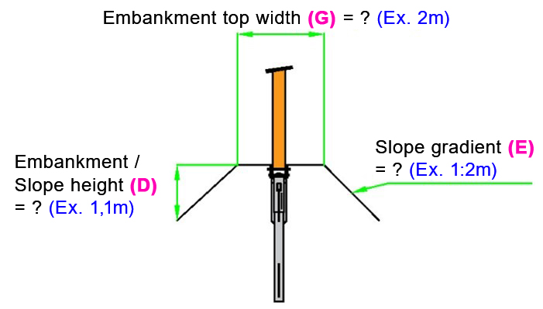

TRACK CENTRE (TC) SPACING, C/C (C)
SNOW PLOUGH LOAD (H. A, B)

DRAWING EXPLANATIONS
(X) = Reference from table ? = Your dimension in metres (Ex. X) = Example in metres
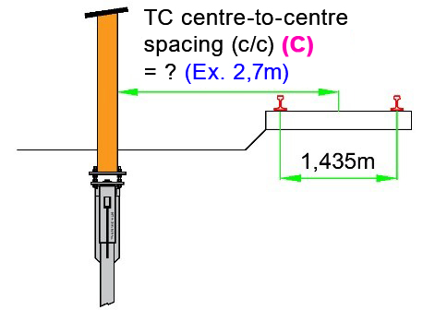
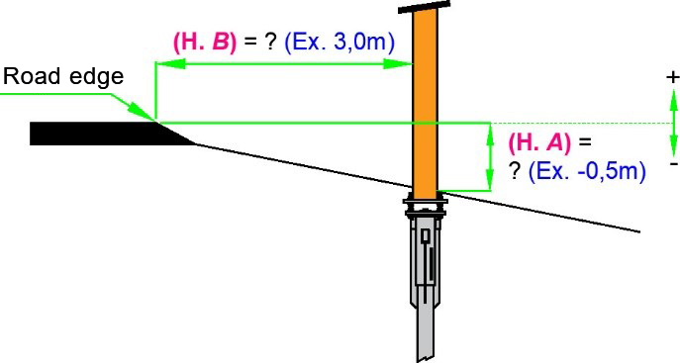

VINGFUNDAMENT TERRAWING AB |  |  | Office address |  |  |  | Billing address |  |  | 0155-21 77 70
ORG: 556623-1394 |  |  | Gasverksvägen 15 |  |  |  | Tunaholm |  |  | info@terrawing.se
 |  |  | 611 35 Nyköping |  |  |  | 611 35 Nyköping |  |  | www.terrawing.se

